Get Started
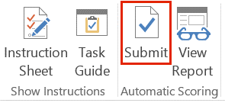
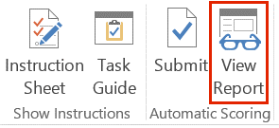
Using the Assignment Tools to Complete This Exam

The tools for working with this exam are found in the Assignment menu.

The Instruction Sheet icon displays all tasks for the exam at the same time in your Internet browser. | The Task Guide icon displays each of the exam tasks, one at a time, in a floating window in Excel.

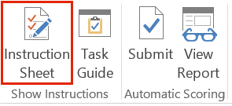
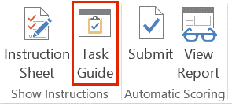

The Submit icon initiates the grading process. Pay attention to any alerts that are displayed. | The View Report icon displays your feedback from your last submission.

Google
Total Google Revenue
Review the following two tables that detail the revenue for Google, Inc. from 2003 to 2010. Complete the tasks to construct a column, stacked column, pie, and line chart and to discover patterns or trends in revenue across the eight years.

Table 1. Google, Inc. Revenue by Quarter (in millions of dollars)
Quarter | 2003 | 2004 | 2005 | 2006 | 2007 | 2008 | 2009 | 2010
Total Q1 Revenue | $249 | $652 | $1,257 | $2,254 | $3,664 | $5,186 | $5,509 | $6,775
Total Q2 Revenue | $311 | $700 | $1,384 | $2,456 | $3,872 | $5,367 | $5,523 | $6,820
Total Q3 Revenue | $394 | $806 | $1,578 | $2,690 | $4,232 | $5,542 | $5,945 | $7,286
Total Q4 Revenue | $512 | $1,032 | $1,919 | $3,205 | $4,827 | $5,701 | $6,674 | $8,440
Total Annual Revenue | $1,466 | $3,190 | $6,138 | $10,605 | $16,595 | $21,796 | $23,651 | $29,321

Google Revenue by Quarter
Table 2. Google, Inc. Revenue by Business Segment (in millions of dollars)
Segment | 2003 | 2004 | 2005 | 2006 | 2007 | 2008 | 2009 | 2010
Google Web Sites | $792 | $1,590 | $3,377 | $6,332 | $10,625 | $14,414 | $15,723 | $19,443
Google Network Web Sites | $628 | $1,554 | $2,688 | $4,160 | $5,788 | $6,715 | $7,166 | $8,793
Other Revenues | $46 | $46 | $73 | $113 | $182 | $667 | $762 | $1,085
Total Annual Revenue 2 | $1,466 | $3,190 | $6,138 | $10,605 | $16,595 | $21,796 | $23,651 | $29,321

Google Revenue by Business Segment

Google Revenue Line

